GMF 2016 dataset
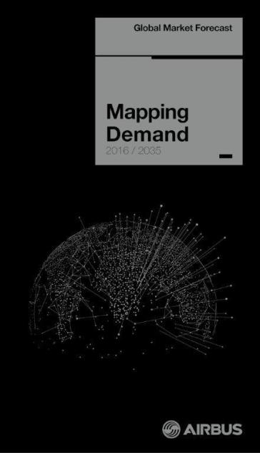
Welcome to the GMF 2016 data set

Every year we produce the GMF we provide various tools to access the data and knowledge produced by the Airbus forecasting team. These typically include books, an app and various presentations. This year, for the analysts amongst you we have provided some of the key data in this excel spreadsheet, so that you can have even more flexibility in the way you use and visualise our forecast.

